Dashboard
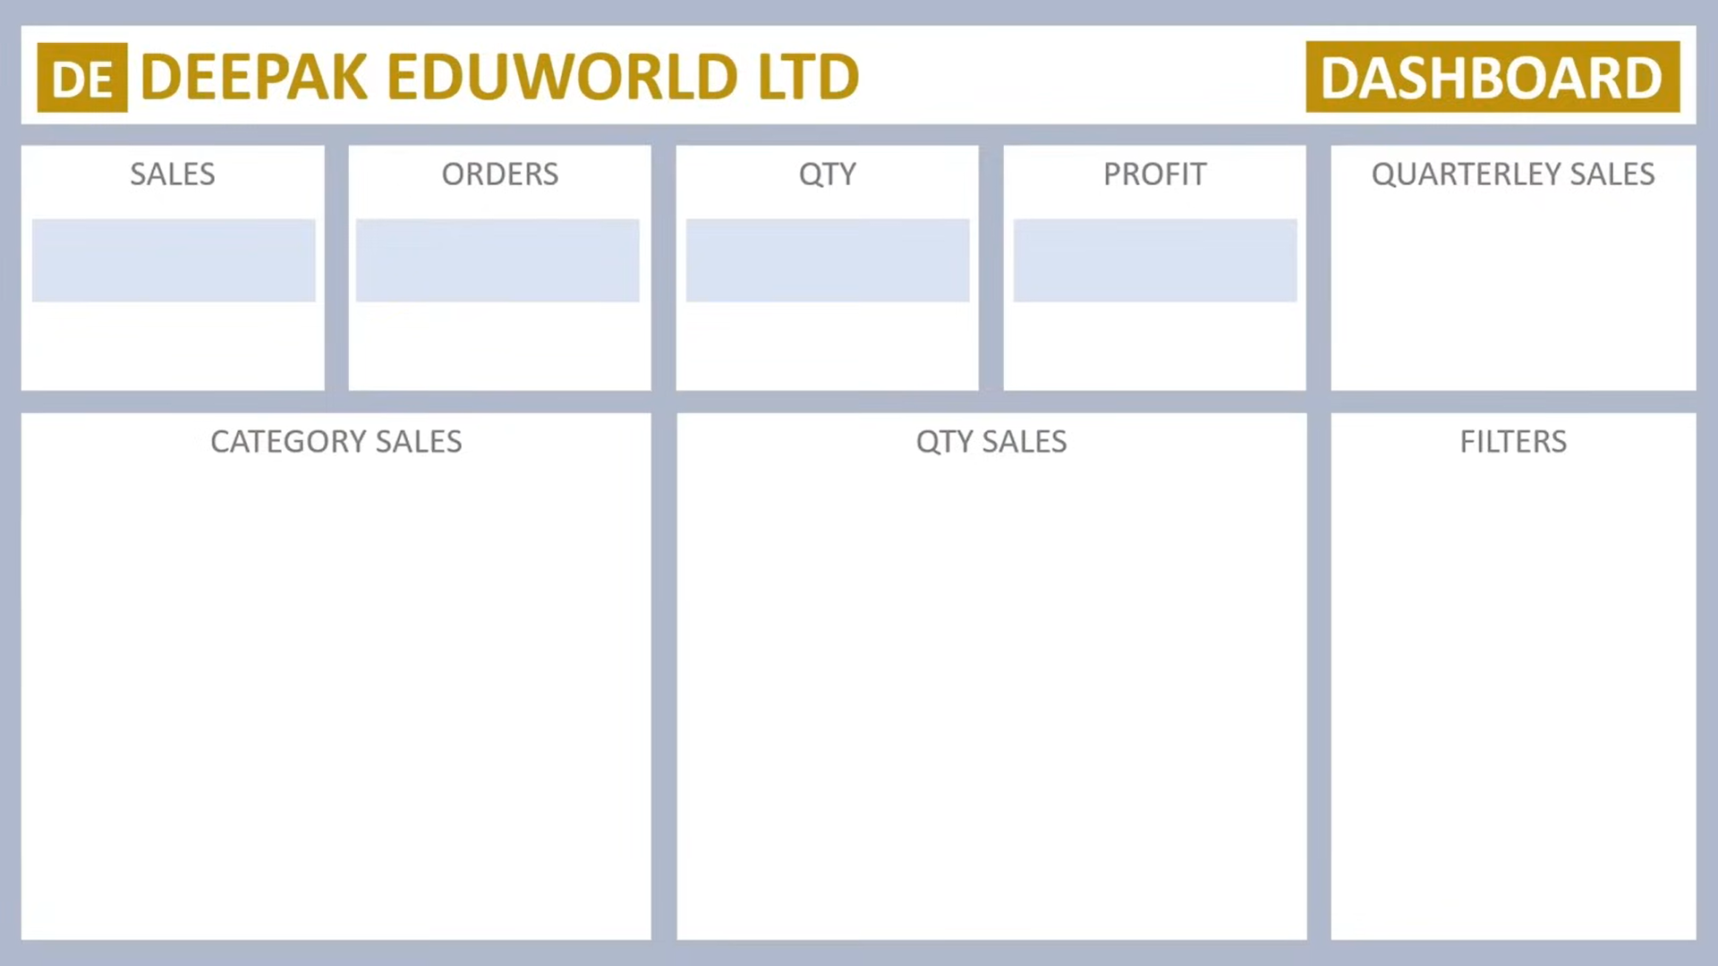

 | Total
Qtr1 | 2414032
Qtr2 | 2368180
Qtr3 | 3095380
Qtr4 | 1965450
Rs 9,843,042
981
4279.8
Rs 984,304

